Declaration
 |  | Additional Minerals Reporting Template (AMRT)
 | 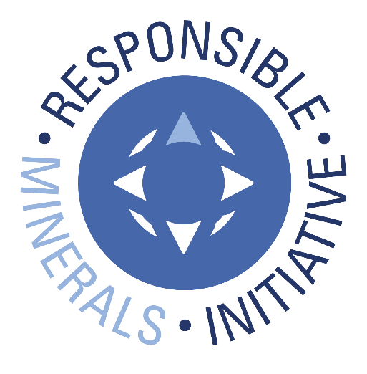 Select Language Preference Here: 请选择你的语言: 사용할 언어를 선택하시오 : 表示言語をここから選択してください: Sélectionner la langue préférée ici: Wählen sie hier die Sprache: | English |  |  | Revision 1.31 April 17, 2026
 | The purpose of this document is to collect sourcing information on minerals/metals used in products.
A
 | Mandatory fields are noted with an asterisk (*). Consult the instructions tab for guidance on how to answer each question.
 | Company Information
 | Company Name (*): | TA-I TECHNOLOGY.CO.,LTD
 | Declaration Scope or Class (*): | A. Company
 | Description of Scope:

 | Select Minerals/Metals in Scope (up to a maximum of 10)(*): This Declaration can include up to 10 minerals or metals. If mineral or metal doesn't appear on the list, select "Other". | Aluminum | Manganese | Other [specify below]

 | Note: The minerals entered here are reflected in questions 1-2 and will be sorted in alphabetical order. Please ensure that the answers match the intended minerals.
 | If you selected "Other" in previous question, please specify which other minerals/metals are in scope: |  |  | Chromium

 | Company Unique ID:
 | Company Unique ID Authority:
 | Address: | No26 Lane 470 Nan-Shan Rd Sec. 2 Lu-Chu Hsiang Taoyuan Taiwan
 | Contact Name (*): | Eva Lu
 | Email – Contact (*): | tait.gp@tai.com.tw
 | Phone – Contact (*): | 03-324-6169
 | Authorizer (*): | Henry Lu
 | Title - Authorizer: | Director
 | Email - Authorizer (*): | henry.lu@tai.com.tw
 | Phone - Authorizer: | 03-324-6169
 | Effective Date (*): | 28-Apr-2026

 | Answer the following questions 1 - 2 based on the declaration scope indicated above
 | 1) Is any of the following minerals or metals intentionally added or used in the product(s) or in the production process? (*) | Answer |  | Comments
 | Aluminum(*) | Yes
 | Chromium(*) | Yes
 | Manganese(*) | Yes

 | 2) What percentage of relevant suppliers have provided a response to your supply chain survey? | Answer |  | Comments
 | Aluminum | 100%
 | Chromium | 100%
 | Manganese | 100%

 | © 2026 Responsible Minerals Initiative. All rights reserved.

Smelter List
 | TO BEGIN:
 | Option A: If you know the Smelter Identification Number, input the number in Column A (columns B, C, E, F, G, I and J will auto-populate); D will grey out. Option B: If you have a Metal and Smelter Look-up name combination, complete the following steps: Step 1. Select Metal in column B Step 2. Select from dropdown in column C Option C: If you have minerals and Smelter Name combination, complete the following steps: Step 1. Select Minerals in column B Step 2: Select "Smelter Not Listed" in the Smelter Look-up drop down and complete columns D & E Step 3. Enter all available smelter information in columns H through Q (*) Mandatory fields are noted with an asterisk. (1) Entry required when Smelter Look-up = "Smelter Not Listed" NOTE: A combination of Options A, B and C may be used to complete the Smelter List. Do not alter autopopulated cells. All errors in the Smelter Look-up should be reported to RBA by contacting RMI@ResponsibleBusiness.org. |  |  | 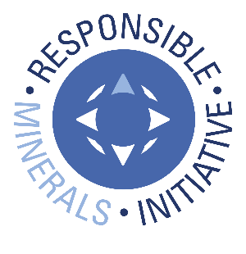 © 2026 Responsible Minerals Initiative. All rights reserved. |  |  |  |  |  |  |  |  |  |  |  | Revision 1.31 April 17, 2026
Smelter Identification Number Input Column | Metal (*) | Smelter Look-up (*) | Smelter Name (*) | Smelter Country (*) | Smelter Identification | Source of Smelter Identification Number | Smelter Street | Smelter City | Smelter Facility Location: State / Province | Smelter Contact Name | Smelter Contact Email | Proposed next steps | Name of Mine(s) or if recycled or scrap sourced, enter "recycled" or "scrap" | Location (Country) of Mine(s) or if recycled or scrap sourced, enter "recycled" or "scrap" | Does 100% of the smelter’s feedstock originate from recycled or scrap sources? | Comments
CID004655 | Aluminum | Real Alloy LLC ( REAL ALLOY (GERMANY) GBMH ) |  | GERMANY | CID004655 | RMI |  | Grevenbroich | North Rhine-Westphalia |  | - | - | Recycled | Recycled | Yes
CID005386 | Manganese | Jingmen GEM Co., Ltd. |  | CHINA | CID005386 | RMI | 0 | Jingmen | Hubei Sheng
CID005359 | Manganese | COBCO S.A. |  | MOROCCO | CID005359 | RMI |  | El jadida |  |  |  |  | COBCO S.A. | MOROCCO | No
CID003864 | Chromium | Smelter not listed | Outokumpu | FINLAND | CID003864 | RMI |  | Tornio | Lapland |  |  |  | Outokumpu | FINLAND | No
...

